Sheet1
BACOLOD WATER DISTRICT
POBLACION, BACOLOD, LANAO DEL NORTE

ANNUAL PROCUREMENT PLAN
CY 2017
REF | Procurement Program/Project | End-User | Mode of Procurement | SCHEDULE OF PROCUREMENT ACTIVITIES |  |  |  | Source of Funds | TOTAL |  | REMARKS
 |  |  |  | Ads/Post of IB/REI | Sub/Open of Bids | Notice of Award | Contract Signing |  | MOOE | CO

CMML | Office Supplies | BWD | shopping | Not applicable. To be negotiated by BAC. |  |  |  | BWD Funds | 61,231.20
 | Prizes | BWD | SVP | Not applicable. To be negotiated by BAC. |  |  |  | BWD Funds | 91,971.20
 | Calendar | BWD | SVP | Not applicable. To be negotiated by BAC. |  |  |  | BWD Funds | 105,300.00
F&A | Office Supplies | BWD | shopping | Not applicable. To be negotiated by BAC. |  |  |  | BWD Funds | 79,589.40
 | Kitchenwares , toiletries | BWD | SVP | Not applicable. To be negotiated by BAC. |  |  |  | BWD Funds | 22,480.00
 | Telephone Expenses | BWD | SVP | Not applicable. To be negotiated by BAC. |  |  |  | BWD Funds | 42,135.00
 | PRINTING & BINDING | BWD | SVP | Not applicable. To be negotiated by BAC. |  |  |  | BWD Funds | 6,000.00
 | ACCOUNTABLE FORMS | BWD | SVP | Not applicable. To be negotiated by BAC. |  |  |  | BWD Funds | 41,250.00
MAINTNCE | pipes & fittings (inventory) | BWD | SVP | Not applicable. To be negotiated by BAC. |  |  |  | BWD Funds | 786,918.00
 | gasoline,diesel, change oil | BWD | SVP | Not applicable. To be negotiated by BAC. |  |  |  | BWD Funds | 166,071.84
 | tires | BWD | SVP | Not applicable. To be negotiated by BAC. |  |  |  | BWD Funds | 23,988.00
 | chlorine | BWD | SVP | Not applicable. To be negotiated by BAC. |  |  |  | BWD Funds | 24,000.00
 | battery | BWD | SVP | Not applicable. To be negotiated by BAC. |  |  |  | BWD Funds | 13,520.00
 | pumping equipment(Other PPE) | BWD | SVP | Not applicable. To be negotiated by BAC. |  |  |  | BWD Funds | 32,075.00
 | OTHER M & O | BWD | SVP | Not applicable. To be negotiated by BAC. |  |  |  | BWD Funds | 22,480.00
CAPEX | LOT | BWD | SVP | Not applicable. To be negotiated by BAC. |  |  |  | BWD Funds |  | 100,000.00
 | BLDG.- OTHER STRUCTURE(Landscape) | BWD | SVP | Not applicable. To be procured by the Administration. |  |  |  | BWD Funds |  | 500,000.00
 | OFFICE EQUIPMENT | BWD | SVP | Not applicable. To be negotiated by BAC. |  |  |  | BWD Funds |  | 289,445.00
 | FURNITURE & FIXTURES | BWD | SVP | Not applicable. To be negotiated by BAC. |  |  |  | BWD Funds |  | 302,000.00
 | IT EQUIPMENT | BWD | SVP | Not applicable. To be negotiated by BAC. |  |  |  | BWD Funds |  | 120,000.00
 | MACHINERIES-pumps & motor w/ motor control 2hp | BWD | SVP | Not applicable. To be negotiated by BAC. |  |  |  | BWD Funds |  | 75,000.00
 | COMMUNICATION EQUIPT | BWD | SVP | Not applicable. To be negotiated by BAC. |  |  |  | BWD Funds |  | 20,000.00
 | FIREFIGHTING EQUIPMENT & ACCESSORIES | BWD | SVP | Not applicable. To be negotiated by BAC. |  |  |  | BWD Funds |  | 27,000.00
 | SPORTS EQUIPMENT | BWD | SVP | Not applicable. To be negotiated by BAC. |  |  |  | BWD Funds |  | 50,000.00
 | OTHER PPE-Disaster | BWD | SVP | Not applicable. To be negotiated by BAC. |  |  |  | BWD Funds |  | 16,000.00
 | MOTOR VEHICLES | BWD | SVP | Not applicable. To be negotiated by BAC. |  |  |  | BWD Funds |  | 70,000.00
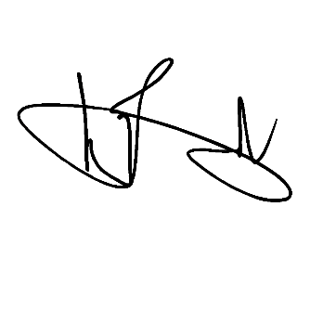
 | Public Infrastructure-Artesian,Chlorinator | BWD | SVP | Not applicable. To be negotiated by BAC. |  |  |  | BWD Funds |  | 225,000.00
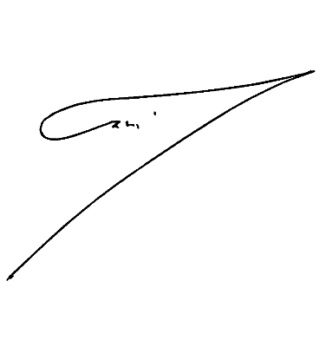
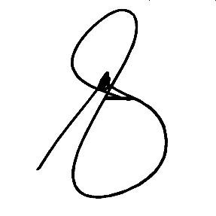
 |  |  |  |  |  |  |  |  | 1,519,009.64 | 1,794,445.00
Prepared by: |  |  |  | Recommended by: |  |  | Approved by:

ZAIDIE C. LIGUTOM |  |  |  | ALMA S. MAGLANA |  |  | ENGR. NOEL L. RESABAL
Utilities/Customer Service Assistant |  |  |  | Corporate Accounts Analyst |  |  | General Manager |  |  | 3,313,454.64
BAC Chairman |  |  |  |  |  |  | Head of Procuring Entity

